MAXMARA_stkopt
 |  |  |  |  |  |  |  |  | 507 | € 155.43 | € 78,804.16 | € 404.12 | € 204,890.82
Brand | Photo | Style Code | Gender | Description | Col | Code | Cod | Size | QTY | WHS | TOT WHS | RRP | TOT RRP
ELISABETTA FRANCHI | 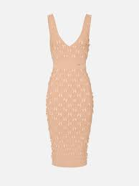 | AM79S52E2 | Women | Dress | urro | 1200250023PER36 | PER | 36 | 1 | € 275.00 | € 275.00 | € 715.00 | € 715.00
ELISABETTA FRANCHI | 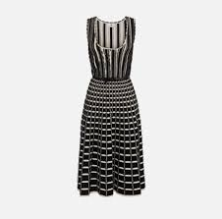 | AM49S51E2 PRE | Women | Dress | orio | 1200250021AML34 | AML | 34 | 1 | € 275.00 | € 275.00 | € 715.00 | € 715.00
ELISABETTA FRANCHI |  | AM49S51E2 PRE | Women | Dress | orio | 1200250021AML36 | AML | 36 | 1 | € 275.00 | € 275.00 | € 715.00 | € 715.00
ELISABETTA FRANCHI | 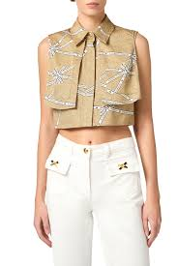 | CA12552E2 | Women | Blouse | urro | 0455250019BJS40 | BJS | 40 | 1 | € 135.00 | € 135.00 | € 351.00 | € 351.00
ELISABETTA FRANCHI | 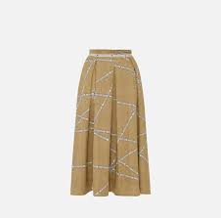 | GO11452E2 | Women | Skirt | urro | 1310250017BJS36 | BJS | 36 | 1 | € 158.00 | € 158.00 | € 410.80 | € 410.80
ELISABETTA FRANCHI |  | GO11452E2 | Women | Skirt | urro | 1310250017BJS38 | BJS | 38 | 1 | € 158.00 | € 158.00 | € 410.80 | € 410.80
ELISABETTA FRANCHI |  | GO11452E2 | Women | Skirt | urro | 1310250017BJS40 | BJS | 40 | 1 | € 158.00 | € 158.00 | € 410.80 | € 410.80
MARELLA |  | ARABO 3111104102 | Women | Shirt | 004 | 0400248016AML44 | AML | 44 | 1 | € 70.27 | € 70.27 | € 182.70 | € 182.70
MARELLA |  | AMERIGO 3131053502 | Women | Pants | 003 | 0700246076BJE44 | BJE | 44 | 1 | € 52.82 | € 52.82 | € 137.33 | € 137.33
MARELLA | 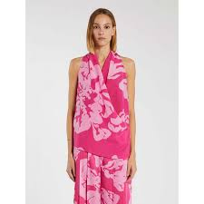 | SETA 3166054102 | Women | Blouse | 001 | 0455248251RSF42 | RSF | 42 | 1 | € 67.23 | € 67.23 | € 174.80 | € 174.80
MARELLA |  | RECENT 3196044102 | Women | Coat | 001 | 1000248107RSF40 | RSF | 40 | 1 | € 96.73 | € 96.73 | € 251.50 | € 251.50
MARELLA |  | RECENT 3196044102 | Women | Coat | 001 | 1000248107RSF42 | RSF | 42 | 1 | € 96.73 | € 96.73 | € 251.50 | € 251.50
MARELLA | 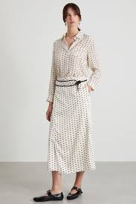 | NATANTE 3116174102 | Women | Blouse | 004 | 0455248249PER46 | PER | 46 | 1 | € 84.08 | € 84.08 | € 218.61 | € 218.61
MARELLA | 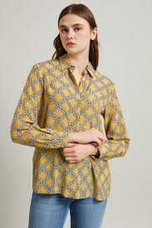 | GOCCIA 3111084102 | Women | Shirt | 006 | 0400248022VRD42 | VRD | 42 | 1 | € 82.52 | € 82.52 | € 214.55 | € 214.55
MARELLA | 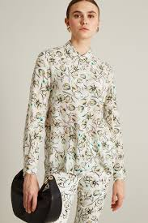 | GOCCIA 3111084102 | Women | Shirt | 006 | 0400248022VRD44 | VRD | 44 | 1 | € 82.52 | € 82.52 | € 214.55 | € 214.55
MARELLA | 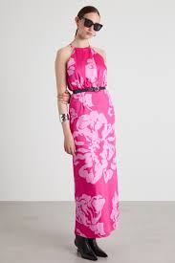 | RESINA 3226184102 | Women | Dress | 002 | 1200248390RSF46 | RSF | 46 | 1 | € 84.08 | € 84.08 | € 218.61 | € 218.61
MARELLA |  | ROBINIA 3221144102 | Women | Dress | 002 | 1200248032VRD44 | VRD | 44 | 1 | € 103.59 | € 103.59 | € 269.33 | € 269.33
MARELLA | 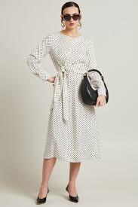 | ROBINIA 3221144102 | Women | Dress | 002 | 1200248032VRD42 | VRD | 42 | 1 | € 103.59 | € 103.59 | € 269.33 | € 269.33
MARELLA | 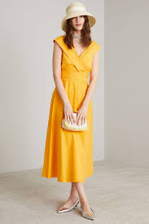 | GALIZIA 3221214202 | Women | Dress | 003 | 1200248024LJA42 | LJA | 42 | 1 | € 99.67 | € 99.67 | € 259.14 | € 259.14
MARELLA | 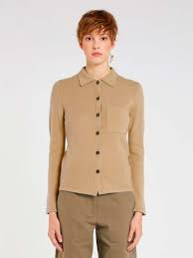 | NUVOLA 3341035202 | Women | Knit Jacket | 001 | 0320250026AMLS | AML | S | 1 | € 126.91 | € 126.91 | € 329.97 | € 329.97
MARELLA |  | NUVOLA 3341035202 | Women | Knit Jacket | 001 | 0320250026AMLL | AML | L | 1 | € 126.91 | € 126.91 | € 329.97 | € 329.97
MARELLA | 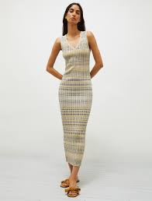 | ENZIANA 3321055202 | Women | Dress | 001 | 1200250088AMLL | AML | L | 1 | € 104.96 | € 104.96 | € 272.90 | € 272.90
MARELLA |  | ENZIANA 3321055202 | Women | Dress | 001 | 1200250088AMLM | AML | M | 1 | € 104.96 | € 104.96 | € 272.90 | € 272.90
MARELLA |  | ENZIANA 3321055202 | Women | Dress | 001 | 1200250088AMLXL | AML | XL | 1 | € 104.96 | € 104.96 | € 272.90 | € 272.90
MARELLA | 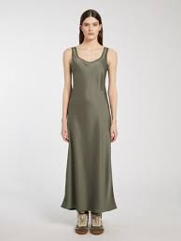 | RADIANT 3221024402 | Women | Dress | 005 | 1200248031AML40 | AML | 40 | 1 | € 107.70 | € 107.70 | € 280.02 | € 280.02
MARELLA | 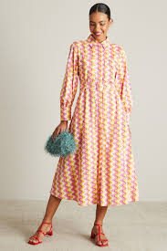 | OZIERI 3221344202 | Women | Dress | 002 | 1200248030CTO44 | CTO | 44 | 1 | € 107.80 | € 107.80 | € 280.28 | € 280.28
MARELLA |  | OZIERI 3221344202 | Women | Dress | 002 | 1200248030CTO42 | CTO | 42 | 1 | € 107.80 | € 107.80 | € 280.28 | € 280.28
MARELLA |  | OZIERI 3221344202 | Women | Dress | 002 | 1200248030CTO46 | CTO | 46 | 1 | € 107.80 | € 107.80 | € 280.28 | € 280.28
MARELLA |  | OZIERI 3221344202 | Women | Dress | 002 | 1200248030CTO48 | CTO | 48 | 1 | € 107.80 | € 107.80 | € 280.28 | € 280.28
MARELLA |  | DEMIEN1 3116114202 | Women | Nightgown | 003 | 0360248180LIL46 | LIL | 46 | 1 | € 59.80 | € 59.80 | € 155.48 | € 155.48
MARELLA |  | FINE 3131144402 | Women | Pants | 001 | 0700248044BJE40 | BJE | 40 | 1 | € 65.37 | € 65.37 | € 169.96 | € 169.96
MARELLA | 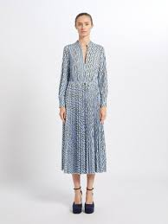 | EMANUEL 3621044102 | Women | Vesido jersey | 001 | 1211248006TIJS | TIJ | S | 1 | € 79.40 | € 79.40 | € 206.44 | € 206.44
MARELLA | 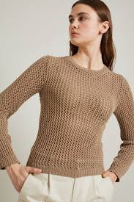 | VITE 3941044502 | Women | Nightgown | 004 | 0360248027BJEXL | BJE | XL | 1 | € 64.58 | € 64.58 | € 167.91 | € 167.91
MARELLA | 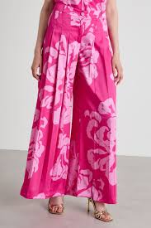 | RIARSO 3136224102 | Women | Pants | 002 | 0700248421RSF40 | RSF | 40 | 1 | € 84.08 | € 84.08 | € 218.61 | € 218.61
MARELLA | 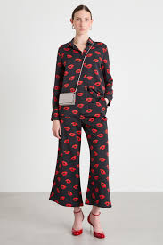 | ROBERT 3136054302 | Women | Pants | 001 | 0700248423BRN44 | BRN | 44 | 1 | € 84.08 | € 84.08 | € 218.61 | € 218.61
MARELLA |  | ROBERT 3136054302 | Women | Pants | 001 | 0700248423BRN42 | BRN | 42 | 1 | € 84.08 | € 84.08 | € 218.61 | € 218.61
MARELLA |  | FINE 3131144402 | Women | Pants | 001 | 0700248044BJE44 | BJE | 44 | 1 | € 65.37 | € 65.37 | € 169.96 | € 169.96
MARELLA | 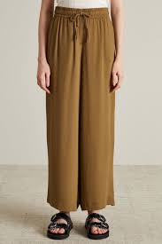 | RIBELLE 3131134402 | Women | Pants | 005 | 0700248056AML42 | AML | 42 | 1 | € 69.58 | € 69.58 | € 180.91 | € 180.91
MARELLA |  | RIBELLE 3131134402 | Women | Pants | 005 | 0700248056AML40 | AML | 40 | 1 | € 69.58 | € 69.58 | € 180.91 | € 180.91
MARELLA |  | FINE 3131144402 | Women | Pants | 001 | 0700248044BJE42 | BJE | 42 | 1 | € 65.37 | € 65.37 | € 169.96 | € 169.96
MARELLA | 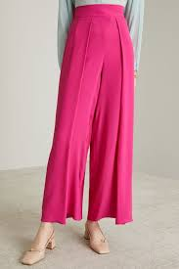 | RANGO 3131014202 | Women | Pants | 004 | 0700248055RSA42 | RSA | 42 | 1 | € 79.28 | € 79.28 | € 206.13 | € 206.13
MARELLA |  | NUMITOR 6526097502 | Women | Shoes | 004 | 2002234050PRT39 | PRT | 39 | 1 | € 68.11 | € 68.11 | € 177.09 | € 177.09
MARELLA |  | LUCIANA 3911024102 | Women | Blazer jersey | 001 | 0920248017TIJL | TIJ | L | 1 | € 98.78 | € 98.78 | € 256.83 | € 256.83
MARELLA |  | LUCIANA 3911024102 | Women | Blazer jersey | 001 | 0920248017TIJM | TIJ | M | 1 | € 98.78 | € 98.78 | € 256.83 | € 256.83
MARELLA |  | NUMITOR 6526097502 | Women | Shoes | 004 | 2002234050PRT39 | PRT | 39 | 1 | € 68.11 | € 68.11 | € 177.09 | € 177.09
MAXMARA 1U | 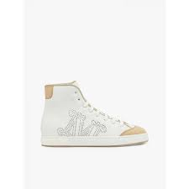 | TABEI 4761112606 | Women | Sneakers | 001 | 2020244003BRN38 | BRN | 38 | 1 | € 185.80 | € 185.80 | € 483.08 | € 483.08
MAXMARA 1U |  | TABEI 4761112606 | Women | Sneakers | 001 | 2020244003BRNYE | BRN | YE | 1 | € 185.80 | € 185.80 | € 483.08 | € 483.08
MAXMARA 1U |  | TABEI 4761112606 | Women | Sneakers | 001 | 2020244003BRNYC | BRN | YC | 1 | € 185.80 | € 185.80 | € 483.08 | € 483.08
MAXMARA 1U |  | TABEI 4761112606 | Women | Sneakers | 001 | 2020244003BRN37 | BRN | 37 | 1 | € 185.80 | € 185.80 | € 483.08 | € 483.08
MAXMARA 1U |  | MAG 4521193606 | Women | Shoes | 010 | 2001246003CTO37 | CTO | 37 | 1 | € 199.80 | € 199.80 | € 519.48 | € 519.48
MAXMARA 1U |  | PIT 4521053606 | Women | Shoes | 005 | 2001246004RSC38 | RSC | 38 | 1 | € 160.00 | € 160.00 | € 416.00 | € 416.00
MAXMARA 1U |  | PASTE 1911023106 | Women | Blazer | 001 | 0920246003MAR46 | MAR | 46 | 1 | € 327.60 | € 327.60 | € 851.76 | € 851.76
MAXMARA 1U |  | NEPETA 1131084106 | Women | Pants | 008 | 0700248014BRN40 | BRN | 40 | 1 | € 166.00 | € 166.00 | € 431.60 | € 431.60
MAXMARA 1U |  | NEPETA 1131084106 | Women | Pants | 008 | 0700248014BRN38 | BRN | 38 | 1 | € 166.00 | € 166.00 | € 431.60 | € 431.60
MAXMARA 1U |  | NEPETA 1131013106 | Women | Pants | 008 | 0700246005PER40 | PER | 40 | 1 | € 146.10 | € 146.10 | € 379.86 | € 379.86
MAXMARA 1U |  | RIBER 1621033106 | Women | Jersey dress | 001 | 1201246001PRT44 | PRT | 44 | 1 | € 145.20 | € 145.20 | € 377.52 | € 377.52
MAXMARA 1U |  | RIBER 1621033106 | Women | Jersey dress | 001 | 1201246001PRT42 | PRT | 42 | 1 | € 145.20 | € 145.20 | € 377.52 | € 377.52
MAXMARA 1U |  | GERARD 1946012906 | Women | T_shirt | 009 | 0430244237AZCS | AZC | S | 1 | € 75.00 | € 75.00 | € 195.00 | € 195.00
MAXMARA 1U |  | ALOESJ 4541083606 | Women | Handkerchief | 011 | 1820246006MARUN | MAR | UN | 1 | € 80.30 | € 80.30 | € 208.78 | € 208.78
MAXMARA 1U |  | MACARIO 1131011106 | Women | Wide pants |  | 0700242079BRN42 | BRN | 42 | 1 | € 157.90 | € 157.90 | € 410.54 | € 410.54
MAXMARA 1U | 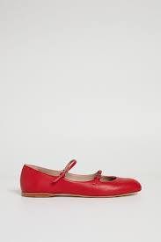 | CIRCUS 4526014106 | Women | Shoes | 062 | 2002248013BJE39 | BJE | 39 | 1 | € 179.90 | € 179.90 | € 467.74 | € 467.74
MAXMARA 1U |  | CIRCUS 4526014106 | Women | Shoes | 062 | 2002248013BJE39 | BJE | 39 | 1 | € 179.90 | € 179.90 | € 467.74 | € 467.74
MAXMARA 1U |  | TABEI | Women | Shoes | 001 | 2001244003BRN39 | BRN | 39 | 1 | € 135.10 | € 135.10 | € 351.26 | € 351.26
MAXMARA 1U | 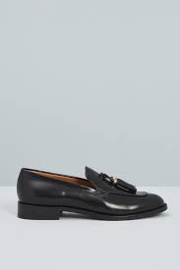 | VMENLOAFER 4528033706 | Women | Shoes | 006 | 2002246004PRT39 | PRT | 39 | 1 | € 175.80 | € 175.80 | € 457.08 | € 457.08
MAXMARA 1U |  | VMENLOAFER 4528033706 | Women | Shoes | 006 | 2002246004PRT39 | PRT | 39 | 1 | € 175.80 | € 175.80 | € 457.08 | € 457.08
MAXMARA 1U | 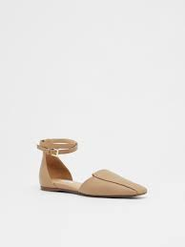 | FLOREN 4521232606 | Women | Shoes | 005 | 2001244017PRT39 | PRT | 39 | 1 | € 171.90 | € 171.90 | € 446.94 | € 446.94
MAXMARA 1U |  | FLOREN 4521232606 | Women | Shoes | 005 | 2001244017PRT39 | PRT | 39 | 1 | € 171.90 | € 171.90 | € 446.94 | € 446.94
MAXMARA 2U | 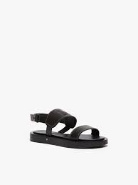 | DIANA 4521313106 | Women | Sandals | 001 | 2010246058CTOYE | CTO | YE | 1 | € 211.70 | € 211.70 | € 550.42 | € 550.42
MAXMARA 2U |  | DIANA 4521313106 | Women | Sandals | 001 | 2010246058CTO36 | CTO | 36 | 1 | € 211.70 | € 211.70 | € 550.42 | € 550.42
MAXMARA 2U | 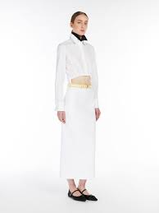 | CHARME 1771015206 | Women | Skirt | 005 | 1310250077PRT40 | PRT | 40 | 1 | € 103.90 | € 103.90 | € 270.14 | € 270.14
MAXMARA 2U | 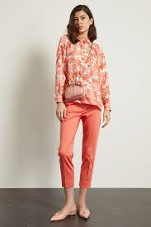 | LINCE 1131093206 | Women | Pants | 013 | 0700246158VRD40 | VRD | 40 | 1 | € 115.20 | € 115.20 | € 299.52 | € 299.52
MAXMARA 2U |  | LINCE 1131093206 | Women | Pants | 013 | 0700246158VRD46 | VRD | 46 | 1 | € 115.20 | € 115.20 | € 299.52 | € 299.52
MAXMARA 2U | 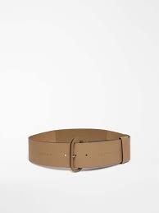 | LEA 1501012206 | Women | Belt | 002 | 1751244003CTOS | CTO | S | 1 | € 72.90 | € 72.90 | € 189.54 | € 189.54
MAXMARA DESFILE |  | LAMPARA 1131373806 | Women | Pants | 001 | 0700246207BRN40 | BRN | 40 | 1 | € 179.10 | € 179.10 | € 465.66 | € 465.66
MM STUDIO 1U |  | OVALE 6951022706 | Women | Shirt | 001 | 0400244434PERL | PER | L | 1 | € 67.10 | € 67.10 | € 174.46 | € 174.46
MM STUDIO 1U |  | ROSETTA 6041133706 | Women | Blazer | 031 | 0920246026VRD42 | VRD | 42 | 1 | € 184.00 | € 184.00 | € 478.40 | € 478.40
MM STUDIO 1U |  | GARIAN 6181012706 | Women | Denim pants | 007 | 0730244002MAR42 | MAR | 42 | 1 | € 62.60 | € 62.60 | € 162.76 | € 162.76
MM STUDIO 1U |  | OVALE 6951022706 | Women | Shirt | 001 | 0400244434PERM | PER | M | 1 | € 67.10 | € 67.10 | € 174.46 | € 174.46
MM STUDIO 1U |  | OVALE 6951022706 | Women | Shirt | 001 | 0400244434PERM | PER | M | 1 | € 67.10 | € 67.10 | € 174.46 | € 174.46
MM STUDIO 1U | 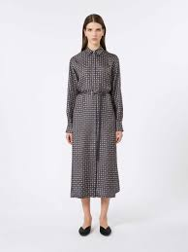 | CAMPO 6226022906 | Women | Dress | 074 | 1200244542BOR44 | BOR | 44 | 1 | € 204.50 | € 204.50 | € 531.70 | € 531.70
MM STUDIO 1U |  | CAMPO 6226022906 | Women | Dress | 074 | 1200244542BOR42 | BOR | 42 | 1 | € 204.50 | € 204.50 | € 531.70 | € 531.70
MM STUDIO 1U |  | MENTIN 6946032906 | Women | T-shirt with sleeves | 005 | 0433244102PRTM | PRT | M | 1 | € 37.20 | € 37.20 | € 96.72 | € 96.72
MM STUDIO 1U |  | MENTIN 6946032906 | Women | T-shirt with sleeves | 005 | 0433244102PRTM | PRT | M | 1 | € 37.20 | € 37.20 | € 96.72 | € 96.72
MM STUDIO 1U |  | MENTIN 6946032906 | Women | T-shirt with sleeves | 005 | 0433244102PRTL | PRT | L | 1 | € 37.20 | € 37.20 | € 96.72 | € 96.72
MM STUDIO 1U |  | MENTIN 6946032906 | Women | T-shirt with sleeves | 005 | 0433244102PRTM | PRT | M | 1 | € 37.20 | € 37.20 | € 96.72 | € 96.72
MM STUDIO 1U |  | MENTIN 6946032906 | Women | T-shirt with sleeves | 005 | 0433244102PRTL | PRT | L | 1 | € 37.20 | € 37.20 | € 96.72 | € 96.72
MM STUDIO 1U |  | MENTIN 6946032906 | Women | T-shirt with sleeves | 005 | 0433244102PRTM | PRT | M | 1 | € 37.20 | € 37.20 | € 96.72 | € 96.72
MM STUDIO 1U | 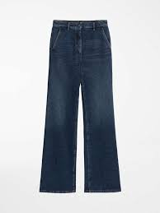 | GARIAN 6181012706 | Women | Denim pants | 007 | 0730244002MAR48 | MAR | 48 | 1 | € 63.60 | € 63.60 | € 165.36 | € 165.36
MM STUDIO 1U | 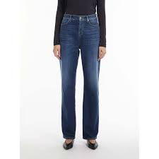 | GAIA 6186022906 | Women | Denim pants | 004 | 0730244132MAR40 | MAR | 40 | 1 | € 61.30 | € 61.30 | € 159.38 | € 159.38
MM STUDIO 1U |  | JERTA 6131039706 | Women | Pants | 017 | 0700238026RSC36 | RSC | 36 | 1 | € 82.02 | € 82.02 | € 213.25 | € 213.25
MM STUDIO 1U |  | JERTA 6131039706 | Women | Pants | 017 | 0700238026RSC44 | RSC | 44 | 1 | € 81.61 | € 81.61 | € 212.19 | € 212.19
MM STUDIO 1U |  | JERTA 6131039706 | Women | Pants | 017 | 0700238026RSC38 | RSC | 38 | 1 | € 82.02 | € 82.02 | € 213.25 | € 213.25
MM STUDIO 2U |  | BOZEN 6786024206 | Women | Pants | 001 | 0700248788PRT42 | PRT | 42 | 1 | € 81.60 | € 81.60 | € 212.16 | € 212.16
MM STUDIO 2U | 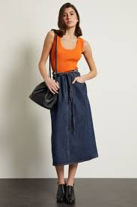 | PANDA 6361063106 | Women | Top | 002 | 0431246049VMLM | VML | M | 1 | € 75.10 | € 75.10 | € 195.26 | € 195.26
MM STUDIO 2U | 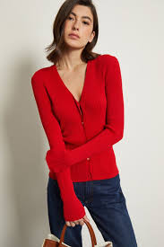 | OCEANIA 6341043106 | Women | Dress | 006 | 1200246238LJAS | LJA | S | 1 | € 116.70 | € 116.70 | € 303.42 | € 303.42
MM STUDIO 2U |  | EPSILON 6236012306 | Women | Dress + 1pc | 076 | 1200244722KAK42 | KAK | 42 | 1 | € 245.10 | € 245.10 | € 637.26 | € 637.26
MM STUDIO 2U |  | PATRONI 6131048106 | Women | Pants | 015 | 0700236047CTO44 | CTO | 44 | 1 | € 75.20 | € 75.20 | € 195.52 | € 195.52
MM STUDIO 2U |  | PATRONI 6131048106 | Women | Pants | 015 | 0700236047CTO46 | CTO | 46 | 1 | € 75.20 | € 75.20 | € 195.52 | € 195.52
MM STUDIO 2U | 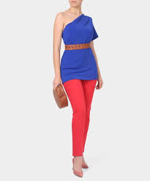 | NICHEL 6131031106 | Women | Pants |  | 0700242176VML40 | VML | 40 | 1 | € 84.20 | € 84.20 | € 218.92 | € 218.92
PINKO | 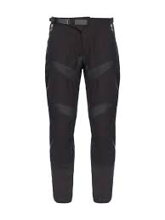 | 103147 A1MX | Women | Pants | Z99 | 0700248488PRT38 | PRT | 38 | 1 | € 146.00 | € 146.00 | € 379.60 | € 379.60
PINKO | 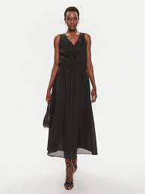 | 103740 A1XN BEGINNERS | Women | BEGINNERS Dress | Z99 | 1200248139PRT42 | PRT | 42 | 1 | € 109.00 | € 109.00 | € 283.40 | € 283.40
PINKO |  | 103740 A1XN BEGINNERS | Women | BEGINNERS Dress | Z99 | 1200248139PRT46 | PRT | 46 | 1 | € 109.00 | € 109.00 | € 283.40 | € 283.40
PINKO |  | 103740 A1XN BEGINNERS | Women | BEGINNERS Dress | Z99 | 1200248139PRT44 | PRT | 44 | 1 | € 109.00 | € 109.00 | € 283.40 | € 283.40
PINKO | 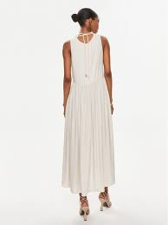 | 103562 A1WU NEMESI | Women | NEMESI Dress | E68 | 1200248137VRD44 | VRD | 44 | 1 | € 106.00 | € 106.00 | € 275.60 | € 275.60
PINKO | 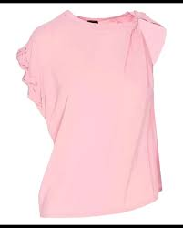 | 103085 A1NI TINDARO | Women | TINDARO Blouse | N98 | 0455248078VIOS | VIO | S | 1 | € 87.00 | € 87.00 | € 226.20 | € 226.20
PINKO | 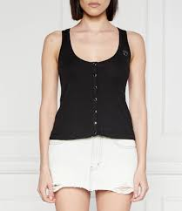 | 103572 A1X4 DOGVILLE | Women | Top DOGVILLE | E55 | 0431248037AZCS | AZC | S | 1 | € 35.00 | € 35.00 | € 91.00 | € 91.00
PINKO | 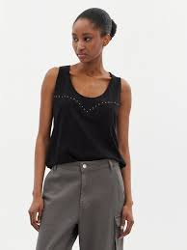 | 103729 A1XR DUPLICITY | Women | Top DUPLICITY | Z05 | 0431248039BRNS | BRN | S | 1 | € 35.00 | € 35.00 | € 91.00 | € 91.00
PINKO |  | 103729 A1XR DUPLICITY | Women | Top DUPLICITY | Z05 | 0431248039BRNM | BRN | M | 1 | € 35.00 | € 35.00 | € 91.00 | € 91.00
PINKO | 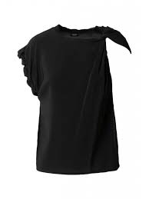 | 103085 A1NI TINDARO | Women | TINDARO Blouse | N98 | 0455248078VIOM | VIO | M | 1 | € 87.00 | € 87.00 | € 226.20 | € 226.20
PINKO |  | 103572 A1X4 DOGVILLE | Women | Top DOGVILLE | E55 | 0431248037AZCM | AZC | M | 1 | € 35.00 | € 35.00 | € 91.00 | € 91.00
S MAXMARA 1U |  | TOTEM 9131143106 | Women | Pants | 033 | 0700246073AML40 | AML | 40 | 1 | € 86.80 | € 86.80 | € 225.68 | € 225.68
SPORTMAX 1U |  | PETER 2781013706 | Women | Pants | 003 | 0700246034PRTL | PRT | L | 1 | € 122.90 | € 122.90 | € 319.54 | € 319.54
SPORTMAX 1U |  | COBEA 2191044106 | Women | Shirt | 001 | 0400248008BRN42 | BRN | 42 | 1 | € 89.60 | € 89.60 | € 232.96 | € 232.96
SPORTMAX 2U | 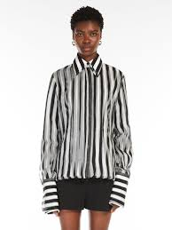 | SUMERO 2111045206 | Women | Shirt | 003 | 0400250079PRT42 | PRT | 42 | 1 | € 267.40 | € 267.40 | € 695.24 | € 695.24
SPORTMAX 2U |  | WILLIAM 2221133106 | Women | Dress | 001 | 1200246222BRN42 | BRN | 42 | 1 | € 164.70 | € 164.70 | € 428.22 | € 428.22
SPORTMAX 2U |  | WILLIAM 2221133106 | Women | Dress | 001 | 1200246222BRN40 | BRN | 40 | 1 | € 164.70 | € 164.70 | € 428.22 | € 428.22
SPORTMAX DENIM | 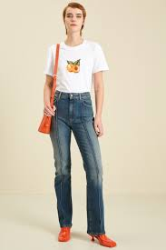 | MESSINA 7181052706 | Women | Denim pants | 005 | 0730244006MAR27 | MAR | 27 | 1 | € 73.70 | € 73.70 | € 191.62 | € 191.62
SPORTMAX DENIM | 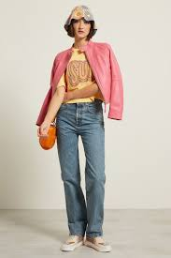 | GIUGNO 7181073706 | Women | Denim pants | 005 | 0730246003MAR27 | MAR | 27 | 1 | € 94.30 | € 94.30 | € 245.18 | € 245.18
SPORTMAX DENIM |  | GIUGNO 7181073706 | Women | Denim pants | 005 | 0730246003MAR26 | MAR | 26 | 1 | € 94.30 | € 94.30 | € 245.18 | € 245.18
TWIN SET | 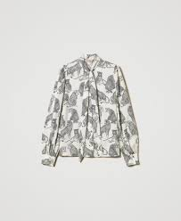 | 242TP2230 | Women | Blouse | 1746 | 0455248277BRP38 | BRP | 38 | 1 | € 115.43 | € 115.43 | € 300.12 | € 300.12
TWIN SET | 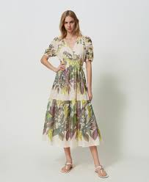 | 241TT2441 | Women | Dress | 1687 | 1200248176UNI40 | UNI | 40 | 1 | € 150.20 | € 150.20 | € 390.52 | € 390.52
TWIN SET |  | 241TT2441 | Women | Dress | 1687 | 1200248176UNI42 | UNI | 42 | 1 | € 150.20 | € 150.20 | € 390.52 | € 390.52
TWIN SET | 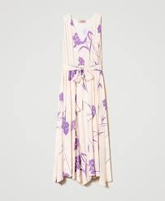 | 241TP2603 | Women | Dress | 1450 | 1200248171PER40 | PER | 40 | 1 | € 129.98 | € 129.98 | € 337.95 | € 337.95
TWIN SET | 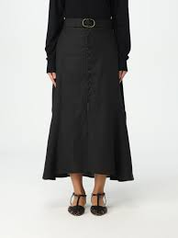 | 241TP2523 | Women | Skirt | 1130 | 1310248045BJE46 | BJE | 46 | 1 | € 99.00 | € 99.00 | € 257.40 | € 257.40
TWIN SET |  | 241TP3591 | Women | Dec.Rente Sweater | 450 | 0360248613LILS | LIL | S | 1 | € 74.00 | € 74.00 | € 192.40 | € 192.40
TWIN SET |  | 241TP3591 | Women | Dec.Rente Sweater | 450 | 0360248613LILM | LIL | M | 1 | € 74.00 | € 74.00 | € 192.40 | € 192.40
TWIN SET |  | 241TP3591 | Women | Dec.Rente Sweater | 450 | 0360248613LILL | LIL | L | 1 | € 74.00 | € 74.00 | € 192.40 | € 192.40
TWIN SET | 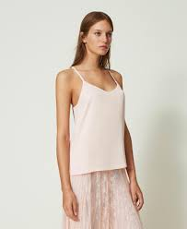 | 241TP2503 | Women | Top | 0802 | 0431248057RSA40 | RSA | 40 | 1 | € 46.56 | € 46.56 | € 121.06 | € 121.06
TWIN SET |  | 241TP2503 | Women | Top | 0802 | 0431248057RSA36 | RSA | 36 | 1 | € 46.56 | € 46.56 | € 121.06 | € 121.06
TWIN SET |  | 241TP2503 | Women | Top | 0282 | 0431248057PER38 | PER | 38 | 1 | € 46.56 | € 46.56 | € 121.06 | € 121.06
TWIN SET |  | 241TP2503 | Women | Top | 0802 | 0431248057RSA38 | RSA | 38 | 1 | € 46.56 | € 46.56 | € 121.06 | € 121.06
TWIN SET |  | 241TP2603 | Women | Dress | 1450 | 1200248171PER38 | PER | 38 | 1 | € 129.98 | € 129.98 | € 337.95 | € 337.95
WEEKEND 1U |  | VISIVO 5131045106 | Women | Pants | 006 | 0700250008VRC44 | VRC | 44 | 1 | € 81.40 | € 81.40 | € 211.64 | € 211.64
WEEKEND 1U |  | OCEANO 5366034106 | Women | Blouse | 005 | 0455248173VRDXL | VRD | XL | 1 | € 75.80 | € 75.80 | € 197.08 | € 197.08
WEEKEND 1U |  | ZIBETTO 5361014106 | Women | Nightgown | 002 | 0360248008PERL | PER | L | 1 | € 59.20 | € 59.20 | € 153.92 | € 153.92
WEEKEND 1U |  | NERVOSO 5041043706 | Women | Blazer | 006 | 0920246020VRD44 | VRD | 44 | 1 | € 148.50 | € 148.50 | € 386.10 | € 386.10
WEEKEND 1U |  | ETUANIA 5226064106 | Women | Dress | 015 | 1200248261AZL42 | AZL | 42 | 1 | € 118.70 | € 118.70 | € 308.62 | € 308.62
WEEKEND 1U |  | ETUANIA 5226064106 | Women | Dress | 015 | 1200248261AZL36 | AZL | 36 | 1 | € 118.70 | € 118.70 | € 308.62 | € 308.62
WEEKEND 1U |  | ETUANIA 5226064106 | Women | Dress | 015 | 1200248261AZL38 | AZL | 38 | 1 | € 118.70 | € 118.70 | € 308.62 | € 308.62
WEEKEND 1U |  | VISIVO 5131093706 | Women | Pants | 004 | 0700246060RSA42 | RSA | 42 | 1 | € 79.50 | € 79.50 | € 206.70 | € 206.70
WEEKEND 1U |  | VISIVO 5131045106 | Women | Pants | 006 | 0700250008VRC42 | VRC | 42 | 1 | € 81.40 | € 81.40 | € 211.64 | € 211.64
WEEKEND 1U |  | NAZIONE 5366074106 | Women | Top | 001 | 0431248096BRNS | BRN | S | 1 | € 54.80 | € 54.80 | € 142.48 | € 142.48
WEEKEND 1U |  | ABBOZZI 5366164106 | Women | Nightgown | 003 | 0360248166MARS | MAR | S | 1 | € 109.30 | € 109.30 | € 284.18 | € 284.18
WEEKEND 1U |  | DOVERE 5346044106 | Women | Knit Jacket | 003 | 0320248081MARL | MAR | L | 1 | € 117.70 | € 117.70 | € 306.02 | € 306.02
WEEKEND 1U |  | DOVERE 5346044106 | Women | Knit Jacket | 003 | 0320248081MARM | MAR | M | 1 | € 117.70 | € 117.70 | € 306.02 | € 306.02
WEEKEND 1U |  | DOVERE 5346044106 | Women | Knit Jacket | 003 | 0320248081MARS | MAR | S | 1 | € 117.70 | € 117.70 | € 306.02 | € 306.02
WEEKEND 1U |  | DOVERE 5346044106 | Women | Knit Jacket | 003 | 0320248081MARS | MAR | S | 1 | € 117.70 | € 117.70 | € 306.02 | € 306.02
WEEKEND 1U |  | PORFIDO 5541074406 | Women | Handkerchief | 001 | 1820248005BJEUN | BJE | UN | 1 | € 55.10 | € 55.10 | € 143.26 | € 143.26
WEEKEND 1U |  | PERAK 5521034406 | Women | Shoes | 002 | 2002248002CTO36 | CTO | 36 | 1 | € 118.20 | € 118.20 | € 307.32 | € 307.32
WEEKEND 1U |  | CORVINO 5526214406 | Women | Slippers | 001 | 2050248001CML36 | CML | 36 | 1 | € 151.60 | € 151.60 | € 394.16 | € 394.16
WEEKEND 1U |  | RARO 5766013206 | Women | Sneakers | 002 | 2020246195CML39 | CML | 39 | 1 | € 75.70 | € 75.70 | € 196.82 | € 196.82
WEEKEND 1U |  | FAGGIOJERSEY 5761054406 | Women | Sneakers | 001 | 2020248001CZA39 | CZA | 39 | 1 | € 109.80 | € 109.80 | € 285.48 | € 285.48
WEEKEND 1U |  | ORTISEI 5181073706 | Women | Denim pants | 009 | 0730246014MAR44 | MAR | 44 | 1 | € 63.50 | € 63.50 | € 165.10 | € 165.10
WEEKEND 1U |  | ELAM 5131063706 | Women | Pants | 002 | 0700246101BRN38 | BRN | 38 | 1 | € 64.40 | € 64.40 | € 167.44 | € 167.44
WEEKEND 1U |  | VITE 5131043706 | Women | Pants | 025 | 0700246104PER38 | PER | 38 | 1 | € 62.70 | € 62.70 | € 163.02 | € 163.02
WEEKEND 1U |  | RANA 5131013706 | Women | Pants | 030 | 0700246058LJA42 | LJA | 42 | 1 | € 62.70 | € 62.70 | € 163.02 | € 163.02
WEEKEND 1U |  | RANA 5131013706 | Women | Pants | 003 | 0700246058AZC38 | AZC | 38 | 1 | € 62.70 | € 62.70 | € 163.02 | € 163.02
WEEKEND 1U |  | ORTISEI 5181073706 | Women | Jeans | 009 | 0730246014MAR38 | MAR | 38 | 1 | € 63.50 | € 63.50 | € 165.10 | € 165.10
WEEKEND 1U |  | VABAZIA 5528072206 | Women | Shoes | 001 | 2001244119PRT39 | PRT | 39 | 1 | € 70.40 | € 70.40 | € 183.04 | € 183.04
WEEKEND 2U |  | RENATA 5751063406 | Women | Necklace | 003 | 3320046002RSAUN | RSA | UN | 1 | € 50.80 | € 50.80 | € 132.08 | € 132.08
WEEKEND 2U |  | SION2 5541104506 | Women | Scarf | 002 | 1830248153BJCUN | BJC | UN | 1 | € 38.20 | € 38.20 | € 99.32 | € 99.32
WEEKEND 2U |  | GIUDY 5221215206 | Women | Dress | 004 | 1200250184VRD42 | VRD | 42 | 1 | € 165.60 | € 165.60 | € 430.56 | € 430.56
WEEKEND 2U |  | DANIELA 5341013106 | Women | Knit Jacket | 012 | 0320246072RSAM | RSA | M | 1 | € 84.50 | € 84.50 | € 219.70 | € 219.70
WEEKEND 2U |  | DANIELA 5341013106 | Women | Knit Jacket | 012 | 0320246072RSAXS | RSA | XS | 1 | € 84.50 | € 84.50 | € 219.70 | € 219.70
WEEKEND 2U |  | DANIELA 5341024206 | Women | Knit jacket | 013 | 0320248033LJAL | LJA | L | 1 | € 91.20 | € 91.20 | € 237.12 | € 237.12
WEEKEND 2U |  | DANIELA 5341024206 | Women | Knit jacket | 013 | 0320248033LJAM | LJA | M | 1 | € 91.20 | € 91.20 | € 237.12 | € 237.12
WEEKEND 2U |  | DANIELA 5341024206 | Women | Knit jacket | 013 | 0320248033LJAM | LJA | M | 1 | € 91.20 | € 91.20 | € 237.12 | € 237.12
WEEKEND 2U |  | SION2 5541104506 | Women | Scarf | 002 | 1830248153BJCUN | BJC | UN | 1 | € 38.20 | € 38.20 | € 99.32 | € 99.32
WEEKEND 2U |  | CERTO 5521073406 | Women | Espadrilles | 001 | 2033246004CRU37 | CRU | 37 | 1 | € 80.20 | € 80.20 | € 208.52 | € 208.52
WEEKEND 2U |  | GINECEO 5131073106 | Women | Pants | 057 | 0700246170LIL44 | LIL | 44 | 1 | € 62.70 | € 62.70 | € 163.02 | € 163.02
WEEKEND 2U |  | GINECEO 5131073106 | Women | Pants | 057 | 0700246170LIL40 | LIL | 40 | 1 | € 62.70 | € 62.70 | € 163.02 | € 163.02
WEEKEND 2U |  | VPILARD 5522093406 | Women | Sandals | 003 | 2010246067PRT39 | PRT | 39 | 1 | € 60.20 | € 60.20 | € 156.52 | € 156.52
WEEKEND 1U |  | VISIVO 5131045106 | Women | Pants | 006 | 0700250008VRC40 | VRC | 40 | 1 | € 81.40 | € 81.40 | € 211.64 | € 211.64
WEEKEND INSERIMENTO |  | ASSUAN1234 5221025306 | Women | Dress | 001 | 1200250167BRN36 | BRN | 36 | 1 | € 211.90 | € 211.90 | € 550.94 | € 550.94
WEEKEND 2U |  | DIRCE 5221184206 | Women | Dress | 033 | 1200248123BRN40 | BRN | 40 | 1 | € 169.60 | € 169.60 | € 440.96 | € 440.96
WEEKEND 2U |  | VICARIO 5041084206 | Women | Coat | 003 | 1000248034BJE36 | BJE | 36 | 1 | € 144.30 | € 144.30 | € 375.18 | € 375.18
WEEKEND 1U |  | TRACIA 5146034106 | Women | Pants | 006 | 0700248302AML38 | AML | 38 | 1 | € 76.80 | € 76.80 | € 199.68 | € 199.68
WEEKEND 1U |  | NAZIONE 5366074106 | Women | Top | 001 | 0431248096BRNXS | BRN | XS | 1 | € 54.80 | € 54.80 | € 142.48 | € 142.48
WEEKEND 1U |  | MOLO 5111144106 | Women | Shirt | 001 | 0400248004BRN40 | BRN | 40 | 1 | € 85.50 | € 85.50 | € 222.30 | € 222.30
WEEKEND 2U |  | DONALD 5221015206 | Women | Dress | 004 | 1200250113PER38 | PER | 38 | 1 | € 110.90 | € 110.90 | € 288.34 | € 288.34
WEEKEND 2U |  | PAPAILE 5041013106 | Women | Blazer | 001 | 0920246058PER36 | PER | 36 | 1 | € 135.90 | € 135.90 | € 353.34 | € 353.34
WEEKEND 1U |  | VALDA 5046043906 | Women | Blazer | 006 | 0920246104AZC36 | AZC | 36 | 1 | € 139.50 | € 139.50 | € 362.70 | € 362.70
WEEKEND INSERIMENTO |  | VALDA 5111014306 | Women | Shirt | 015 | 0400248054PER36 | PER | 36 | 1 | € 85.50 | € 85.50 | € 222.30 | € 222.30
WEEKEND 2U |  | VICARIO 5041084206 | Women | Coat | 003 | 1000248034BJE38 | BJE | 38 | 1 | € 144.30 | € 144.30 | € 375.18 | € 375.18
...

